
 |  |  |  | CODE: |  |  | pl1044 aa SN from 96D673
DESCRIPTION: |  | STEERING COLUMN |  | LENKSÄULE | BARRE / TUBE | COLUMNA DE DIRECCIÓN | PIANTONE
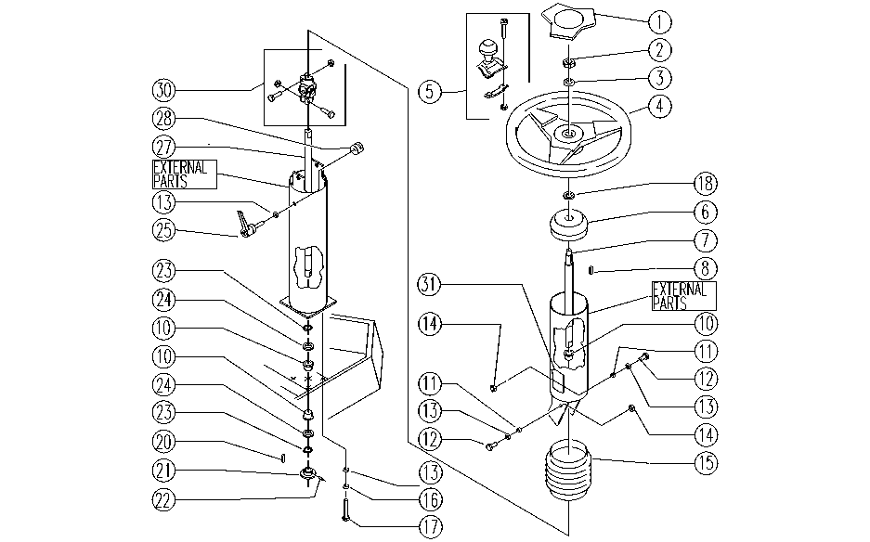

REF. | CODE | DESCRIPTION | QT
1 | SL14194 | CAP | 1
2 | SL05037 | NUT | 1
3 | SL06029 | WASHER | 1
4 | SL14195 | STEERING WHEEL | 1
5 | E86953 | Knob, Steering Wheel | 1
6 | SL07268 | CAP | 1
7 | SL07260 | SHAFT | 1
8 | E86536 | Key | 1
10 | E89268 | Bushing | 3
11 | SL07062 | SPACER | 2
12 | SL04023 | SCREW | 2
13 | E86726 | Washer | 7
14 | E86853 | Nyloc Hex Nut, M8 Zinc | 2
15 | E89109 | Protective boot cover | 1
16 | E86702 | Cham Washer D8 | 4
17 | E86870 | Screw | 4
18 | SL06096 | WASHER | 1
20 | E89199 | Key 5-5-15 | 1
21 | SL10056 | PINION | 1
22 | SL11048 | GRAIN | 1
23 | SL11094 | RING | 2
24 | SL06074 | WASHER | 2
25 | E86920 | AS30/36 Lever | 1
27 | SL07259 | SHAFT | 1
28 | E89444 | Lock | 1
30 | SL12023 | JOINT | 1
31 | SL25559 | LABEL | 1

